Detailed Investigation Result
Detailed Investigation Result

 | SOURCE_CODE | ORGANIZATION_CODE | ORGANIZATION_ID | ASSEMBLY_CODE | ASSEMBLY_ID | CLASS_CODE | JOB_NAME | QUANTITY | COMPLETION_DATE | ALTERNATE_ROUTING_DESIGNATOR | ALTERNATE_BOM_DESIGNATOR | ATTRIBUTE1 | ATTRIBUTE2 | ATTRIBUTE3 | ATTRIBUTE4 | ATTRIBUTE5 | ATTRIBUTE6 | ATTRIBUTE7 | ATTRIBUTE8 | ATTRIBUTE9 | ATTRIBUTE10 | CREATION_DATE | UPDATE_DATE | PROCESS_FLAG | ERROR_MESSAGE
 | SOURCE_CODE | ORGANIZATION_CODE | ORGANIZATION_ID | ASSEMBLY_CODE | ASSEMBLY_ID | CLASS_CODE | JOB_NAME | QUANTITY | COMPLETION_DATE | ALTERNATE_ROUTING_DESIGNATOR | ALTERNATE_BOM_DESIGNATOR | ATTRIBUTE1 | ATTRIBUTE2 | ATTRIBUTE3 | ATTRIBUTE4 | ATTRIBUTE5 | ATTRIBUTE6 | ATTRIBUTE7 | ATTRIBUTE8 | ATTRIBUTE9 | ATTRIBUTE10 | CREATION_DATE | UPDATE_DATE | PROCESS_FLAG | ERROR_MESSAGE
 | TIPWIPS020 | ESD | 125 | SDFBC05JAA01TA0T | 2343147 | Standard | ESD00267051 | 30 | 1/22/20 | MPL | MPL | ESDLINE |  |  |  |  |  |  |  |  |  | 1/22/20 | 1/22/20 | 9 | No operation sequence found for (ESD00267051).
 | TIPWIPS020 | ESD | 125 | SDFBE06CAA01TD0T | 2690846 | Standard | ESD00267052 | 120 | 1/22/20 | MPL | MPL | ESDLINE |  |  |  |  |  |  |  |  |  | 1/22/20 | 1/22/20 | 9 | No operation sequence found for (ESD00267052).
 | TIPWIPS020 | ESD | 125 | SDFBE05CEA01TA0T | 2612615 | Standard | ESD00267053 | 90 | 1/22/20 | MPL | MPL | ESDLINE |  |  |  |  |  |  |  |  |  | 1/22/20 | 1/22/20 | 9 | No operation sequence found for (ESD00267053).
 | TIPWIPS020 | ESD | 125 | SDFBC87EYB01TF0T | 2370304 | Standard | ESD00267054 | 180 | 1/22/20 | MPL | MPL | ESDLINE |  |  |  |  |  |  |  |  |  | 1/22/20 | 1/22/20 | 9 | No operation sequence found for (ESD00267054).
 | TIPWIPS020 | ESD | 125 | SDFBE74NHB01T50T | 2346156 | Standard | ESD00267055 | 90 | 1/22/20 | MPL | MPL | ESDLINE |  |  |  |  |  |  |  |  |  | 1/22/20 | 1/22/20 | 9 | No operation sequence found for (ESD00267055).

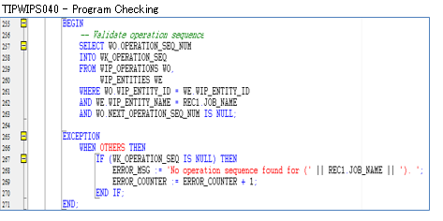

 | SELECT WO.*
 | FROM WIP_OPERATIONS WO,
 | WIP_ENTITIES WE
 | WHERE WO.WIP_ENTITY_ID = WE.WIP_ENTITY_ID
 | AND WE.WIP_ENTITY_NAME IN (SELECT job_name
 | FROM TIP_SSDMO_INTERFACE
 | WHERE process_flag = '9')
 | AND WO.NEXT_OPERATION_SEQ_NUM IS NULL;

 | WIP_OPERATIONS

 | WIP_ENTITY_ID | OPERATION_SEQ_NUM | ORGANIZATION_ID | REPETITIVE_SCHEDULE_ID | LAST_UPDATE_DATE | LAST_UPDATED_BY | CREATION_DATE | CREATED_BY | LAST_UPDATE_LOGIN | REQUEST_ID | PROGRAM_APPLICATION_ID | PROGRAM_ID | PROGRAM_UPDATE_DATE | OPERATION_SEQUENCE_ID | STANDARD_OPERATION_ID | DEPARTMENT_ID | DESCRIPTION | SCHEDULED_QUANTITY | QUANTITY_IN_QUEUE | QUANTITY_RUNNING | QUANTITY_WAITING_TO_MOVE | QUANTITY_REJECTED | QUANTITY_SCRAPPED | QUANTITY_COMPLETED | FIRST_UNIT_START_DATE | FIRST_UNIT_COMPLETION_DATE | LAST_UNIT_START_DATE | LAST_UNIT_COMPLETION_DATE | PREVIOUS_OPERATION_SEQ_NUM | NEXT_OPERATION_SEQ_NUM | COUNT_POINT_TYPE | BACKFLUSH_FLAG | MINIMUM_TRANSFER_QUANTITY | DATE_LAST_MOVED | ATTRIBUTE_CATEGORY | ATTRIBUTE1 | ATTRIBUTE2 | ATTRIBUTE3 | ATTRIBUTE4 | ATTRIBUTE5 | ATTRIBUTE6 | ATTRIBUTE7 | ATTRIBUTE8 | ATTRIBUTE9 | ATTRIBUTE10 | ATTRIBUTE11 | ATTRIBUTE12 | ATTRIBUTE13 | ATTRIBUTE14 | ATTRIBUTE15 | WF_ITEMTYPE | WF_ITEMKEY | OPERATION_YIELD | OPERATION_YIELD_ENABLED | PRE_SPLIT_QUANTITY | OPERATION_COMPLETED | SHUTDOWN_TYPE | X_POS | Y_POS | PREVIOUS_OPERATION_SEQ_ID | SKIP_FLAG | LONG_DESCRIPTION | CUMULATIVE_SCRAP_QUANTITY | DISABLE_DATE | RECOMMENDED | PROGRESS_PERCENTAGE | WSM_OP_SEQ_NUM | WSM_BONUS_QUANTITY | EMPLOYEE_ID | ACTUAL_START_DATE | ACTUAL_COMPLETION_DATE | PROJECTED_COMPLETION_DATE | WSM_UPDATE_QUANTITY_TXN_ID | WSM_COSTED_QUANTITY_COMPLETED | LOWEST_ACCEPTABLE_YIELD | CHECK_SKILL
 | 10327829 | 10 | 125 |  | 1/22/20 | 4862 | 1/22/20 | 4862 | 36986512 | 36028210 | 706 | 35740 | 1/22/20 | 1852685 |  | 3 |  | 30 | 30 | 0 | 0 | 0 | 0 | 0 | 1/22/20 | 1/22/20 | 1/22/20 | 1/22/20 |  |  | 1 | 1 | 0 |  |  |  |  |  |  |  |  |  |  |  |  |  |  |  |  |  |  |  |  |  |  |  |  |  |  |  |  |  | 0 |  |  |  |  |  |  |  |  |  |  |  |  | 2
 | 10327830 | 10 | 125 |  | 1/22/20 | 4862 | 1/22/20 | 4862 | 36986512 | 36028210 | 706 | 35740 | 1/22/20 | 2125273 |  | 3 |  | 120 | 120 | 0 | 0 | 0 | 0 | 0 | 1/22/20 | 1/22/20 | 1/22/20 | 1/22/20 |  |  | 1 | 1 | 0 |  |  |  |  |  |  |  |  |  |  |  |  |  |  |  |  |  |  |  |  |  |  |  |  |  |  |  |  |  | 0 |  |  |  |  |  |  |  |  |  |  |  |  | 2
 | 10327831 | 10 | 125 |  | 1/22/20 | 4862 | 1/22/20 | 4862 | 36986512 | 36028210 | 706 | 35740 | 1/22/20 | 2068374 |  | 3 |  | 90 | 90 | 0 | 0 | 0 | 0 | 0 | 1/22/20 | 1/22/20 | 1/22/20 | 1/22/20 |  |  | 1 | 1 | 0 |  |  |  |  |  |  |  |  |  |  |  |  |  |  |  |  |  |  |  |  |  |  |  |  |  |  |  |  |  | 0 |  |  |  |  |  |  |  |  |  |  |  |  | 2
 | 10327827 | 10 | 125 |  | 1/22/20 | 4862 | 1/22/20 | 4862 | 36986512 | 36028210 | 706 | 35740 | 1/22/20 | 1867013 |  | 3 |  | 180 | 180 | 0 | 0 | 0 | 0 | 0 | 1/22/20 | 1/22/20 | 1/22/20 | 1/22/20 |  |  | 1 | 1 | 0 |  |  |  |  |  |  |  |  |  |  |  |  |  |  |  |  |  |  |  |  |  |  |  |  |  |  |  |  |  | 0 |  |  |  |  |  |  |  |  |  |  |  |  | 2
 | 10327828 | 10 | 125 |  | 1/22/20 | 4862 | 1/22/20 | 4862 | 36986512 | 36028210 | 706 | 35740 | 1/22/20 | 1854703 |  | 3 |  | 90 | 90 | 0 | 0 | 0 | 0 | 0 | 1/22/20 | 1/22/20 | 1/22/20 | 1/22/20 |  |  | 1 | 1 | 0 |  |  |  |  |  |  |  |  |  |  |  |  |  |  |  |  |  |  |  |  |  |  |  |  |  |  |  |  |  | 0 |  |  |  |  |  |  |  |  |  |  |  |  | 2

 | SELECT WE.*
 | FROM WIP_OPERATIONS WO,
 | WIP_ENTITIES WE
 | WHERE WO.WIP_ENTITY_ID = WE.WIP_ENTITY_ID
 | AND WE.WIP_ENTITY_NAME IN (SELECT job_name
 | FROM TIP_SSDMO_INTERFACE
 | WHERE process_flag = '9')
 | AND WO.NEXT_OPERATION_SEQ_NUM IS NULL;

 | WIP_ENTITIES

 | WIP_ENTITY_ID | ORGANIZATION_ID | LAST_UPDATE_DATE | LAST_UPDATED_BY | CREATION_DATE | CREATED_BY | LAST_UPDATE_LOGIN | REQUEST_ID | PROGRAM_APPLICATION_ID | PROGRAM_ID | PROGRAM_UPDATE_DATE | WIP_ENTITY_NAME | ENTITY_TYPE | DESCRIPTION | PRIMARY_ITEM_ID | GEN_OBJECT_ID
 | 10327829 | 125 | 1/22/20 | 4862 | 1/22/20 | 4862 |  | 36028210 | 706 | 35740 | 1/22/20 | ESD00267051 | 1 | Job Mass Loaded on 22-JAN-2020 09:46:14 (server timezone) | 2343147 | 13093040
 | 10327830 | 125 | 1/22/20 | 4862 | 1/22/20 | 4862 |  | 36028210 | 706 | 35740 | 1/22/20 | ESD00267052 | 1 | Job Mass Loaded on 22-JAN-2020 09:46:14 (server timezone) | 2690846 | 13093041
 | 10327831 | 125 | 1/22/20 | 4862 | 1/22/20 | 4862 |  | 36028210 | 706 | 35740 | 1/22/20 | ESD00267053 | 1 | Job Mass Loaded on 22-JAN-2020 09:46:14 (server timezone) | 2612615 | 13093042
 | 10327827 | 125 | 1/22/20 | 4862 | 1/22/20 | 4862 |  | 36028210 | 706 | 35740 | 1/22/20 | ESD00267054 | 1 | Job Mass Loaded on 22-JAN-2020 09:46:14 (server timezone) | 2370304 | 13093038
 | 10327828 | 125 | 1/22/20 | 4862 | 1/22/20 | 4862 |  | 36028210 | 706 | 35740 | 1/22/20 | ESD00267055 | 1 | Job Mass Loaded on 22-JAN-2020 09:46:14 (server timezone) | 2346156 | 13093039

Actual Operation Evidence
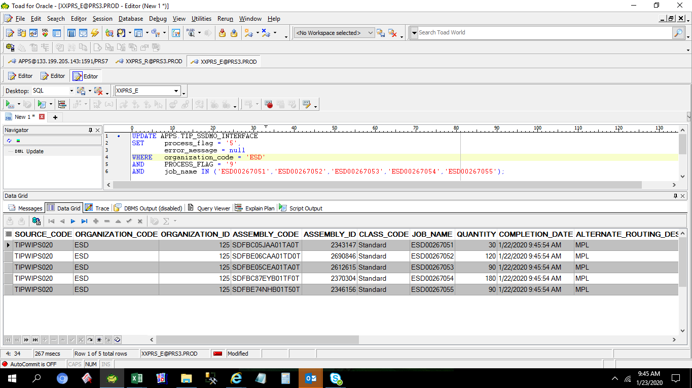
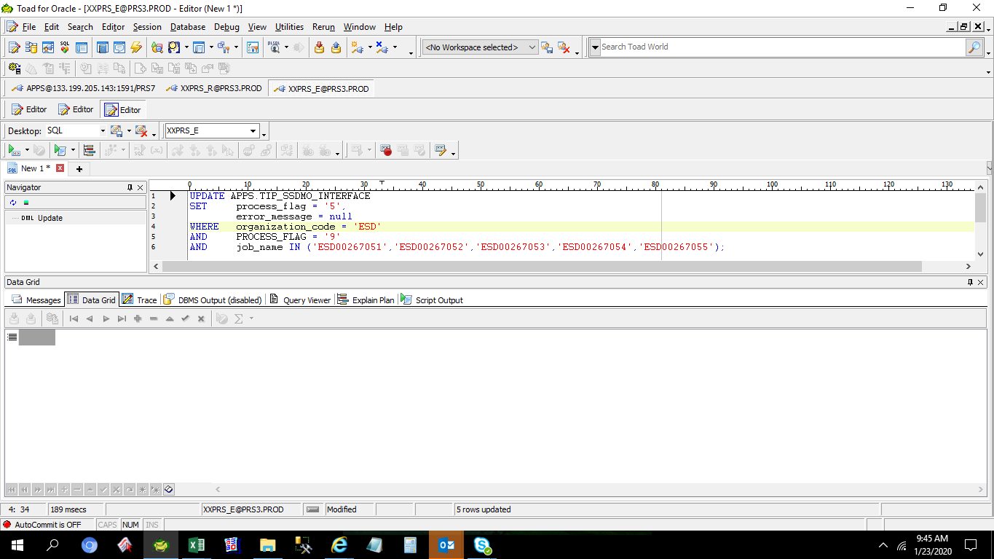

Actual Operation Evidence

 | SELECT *
 | FROM APPS.TIP_SSDMO_INTERFACE
 | WHERE process_flag = '9'
 | AND organization_code = 'ESD'
 | AND job_name IN ('ESD00267051','ESD00267052','ESD00267053','ESD00267054','ESD00267055');

 | SOURCE_CODE | ORGANIZATION_CODE | ORGANIZATION_ID | ASSEMBLY_CODE | ASSEMBLY_ID | CLASS_CODE | JOB_NAME | QUANTITY | COMPLETION_DATE | ALTERNATE_ROUTING_DESIGNATOR | ALTERNATE_BOM_DESIGNATOR | ATTRIBUTE1 | ATTRIBUTE2 | ATTRIBUTE3 | ATTRIBUTE4 | ATTRIBUTE5 | ATTRIBUTE6 | ATTRIBUTE7 | ATTRIBUTE8 | ATTRIBUTE9 | ATTRIBUTE10 | CREATION_DATE | UPDATE_DATE | PROCESS_FLAG | ERROR_MESSAGE
 | TIPWIPS020 | ESD | 125 | SDFBC05JAA01TA0T | 2343147 | Standard | ESD00267051 | 30 | 1/22/2020 9:45:54 AM | MPL | MPL | ESDLINE |  |  |  |  |  |  |  |  |  | 1/22/2020 9:45:54 AM | 1/22/2020 9:46:13 AM | 9 | No operation sequence found for (ESD00267051).
 | TIPWIPS020 | ESD | 125 | SDFBE06CAA01TD0T | 2690846 | Standard | ESD00267052 | 120 | 1/22/2020 9:45:54 AM | MPL | MPL | ESDLINE |  |  |  |  |  |  |  |  |  | 1/22/2020 9:45:54 AM | 1/22/2020 9:46:13 AM | 9 | No operation sequence found for (ESD00267052).
 | TIPWIPS020 | ESD | 125 | SDFBE05CEA01TA0T | 2612615 | Standard | ESD00267053 | 90 | 1/22/2020 9:45:54 AM | MPL | MPL | ESDLINE |  |  |  |  |  |  |  |  |  | 1/22/2020 9:45:54 AM | 1/22/2020 9:46:13 AM | 9 | No operation sequence found for (ESD00267053).
 | TIPWIPS020 | ESD | 125 | SDFBC87EYB01TF0T | 2370304 | Standard | ESD00267054 | 180 | 1/22/2020 9:45:54 AM | MPL | MPL | ESDLINE |  |  |  |  |  |  |  |  |  | 1/22/2020 9:45:54 AM | 1/22/2020 9:46:13 AM | 9 | No operation sequence found for (ESD00267054).
 | TIPWIPS020 | ESD | 125 | SDFBE74NHB01T50T | 2346156 | Standard | ESD00267055 | 90 | 1/22/2020 9:45:54 AM | MPL | MPL | ESDLINE |  |  |  |  |  |  |  |  |  | 1/22/2020 9:45:54 AM | 1/22/2020 9:46:13 AM | 9 | No operation sequence found for (ESD00267055).

